Sheet1
Contents of Order | Item Description | Part Image(s) | Receipt Image/Email | Order # | Amount Ordered | Cost ($)
Arduino + Cable | Two arduino uno microcontrollers along with a serial USB-A to B cable |  |  | 700096663 | 1x USB 2.0 Cable A/B 2x Arduino Uno Rev3 SMD | $64.26
 |  | 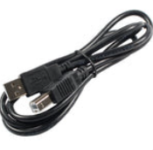
Harbor Freight Heatguns | Two Warrior 1500W Dual Temperature Heat Guns |  | 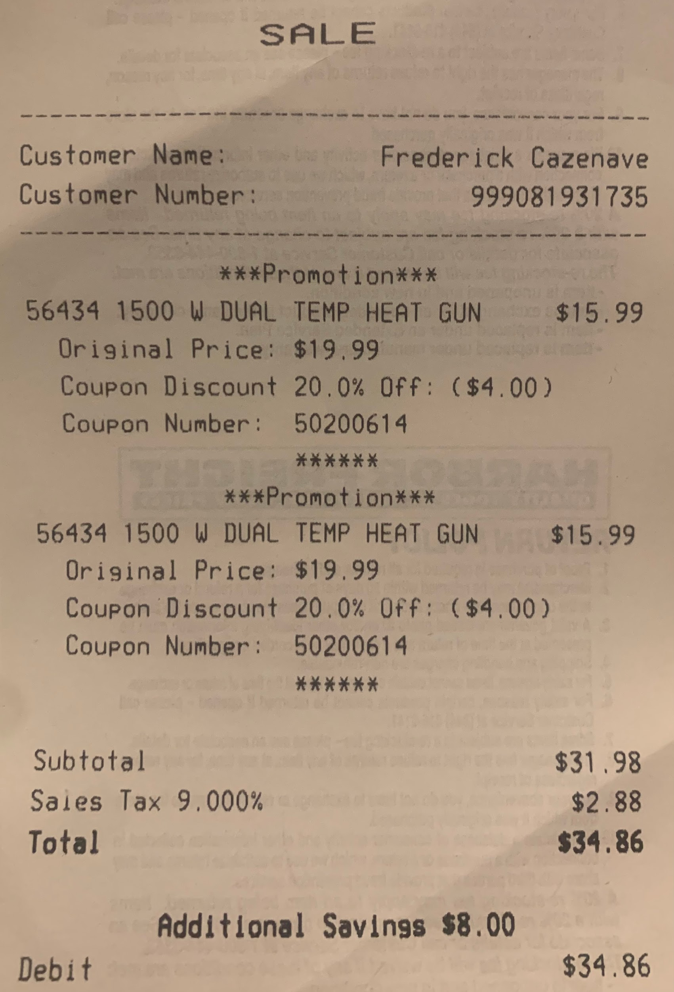 | N/A | 2 | $34.86
PT100 Temperature Sensors | See attached image to the right | 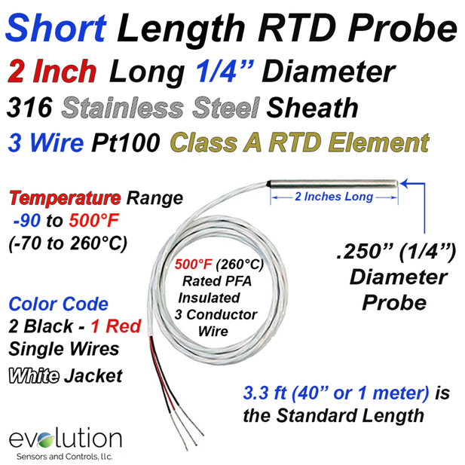 | 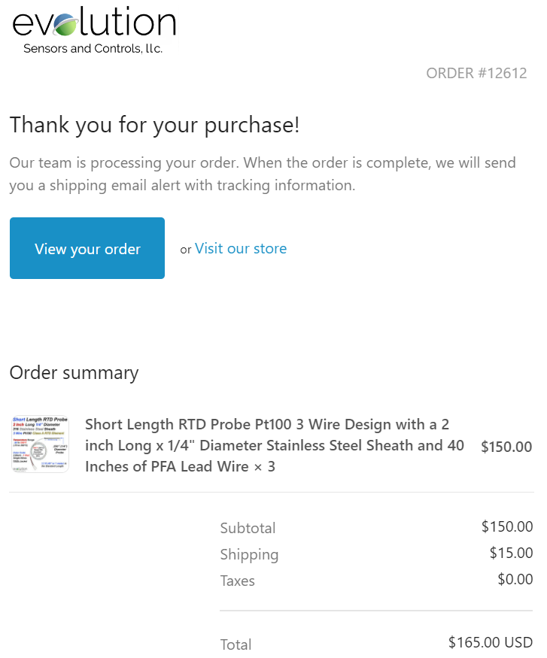 | 12612 | 3 | $165
RCD Amplifier | RCD Amplifier for the PT100 | 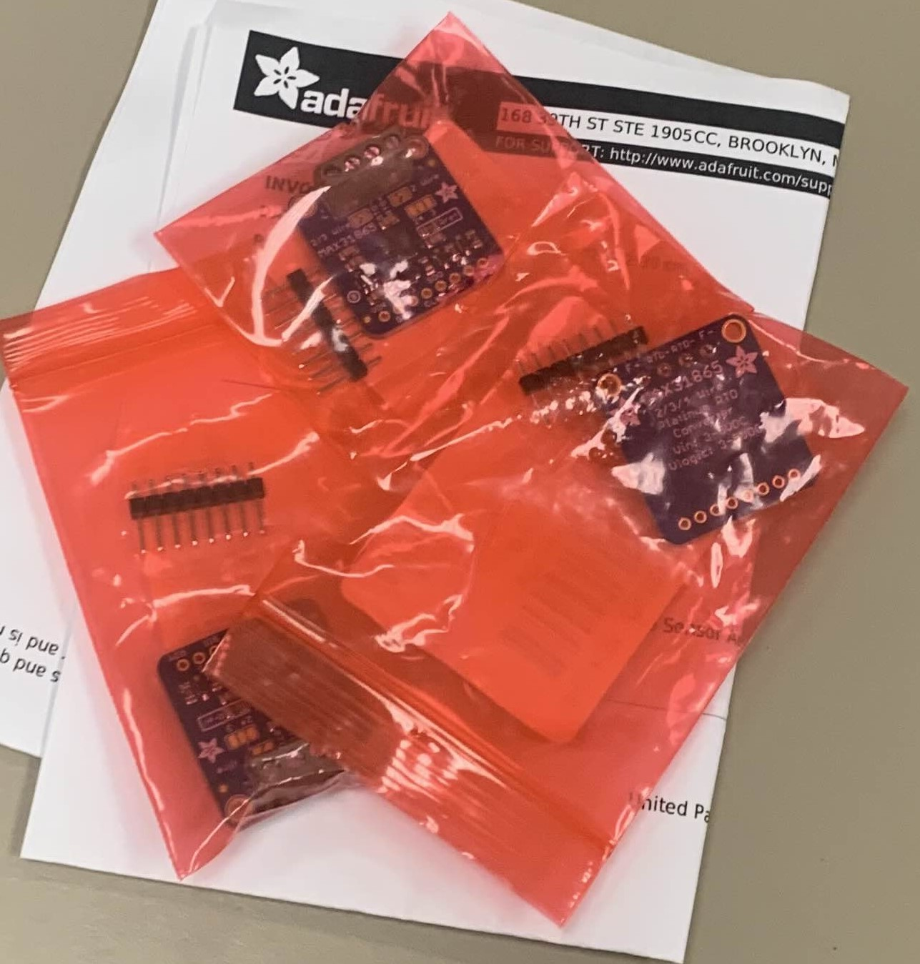 | 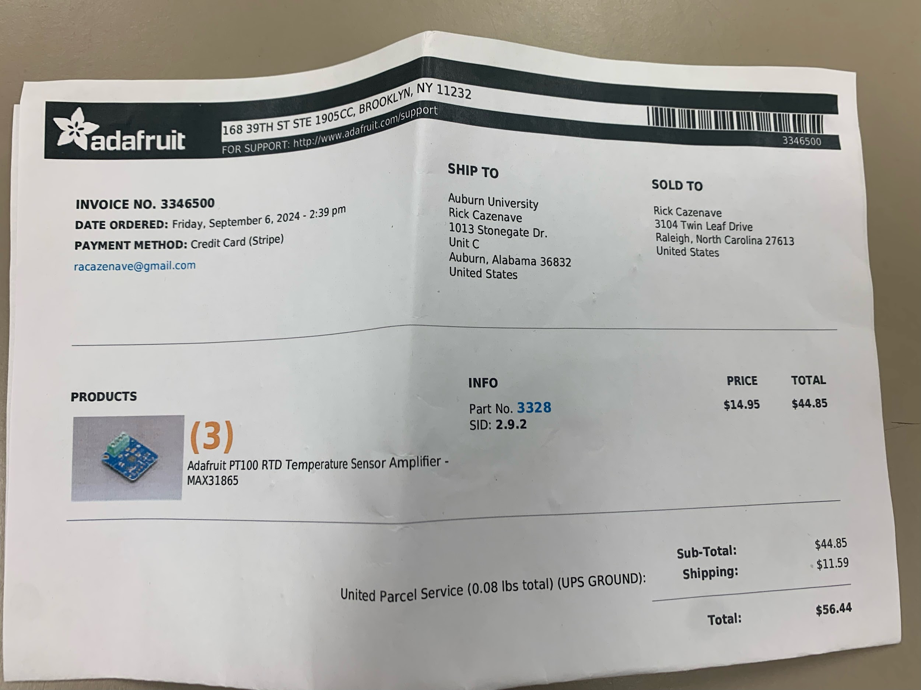 | N/A | 3 | $56.44
DC Motors | 2 12V DC motors and 2 6V DC motors | 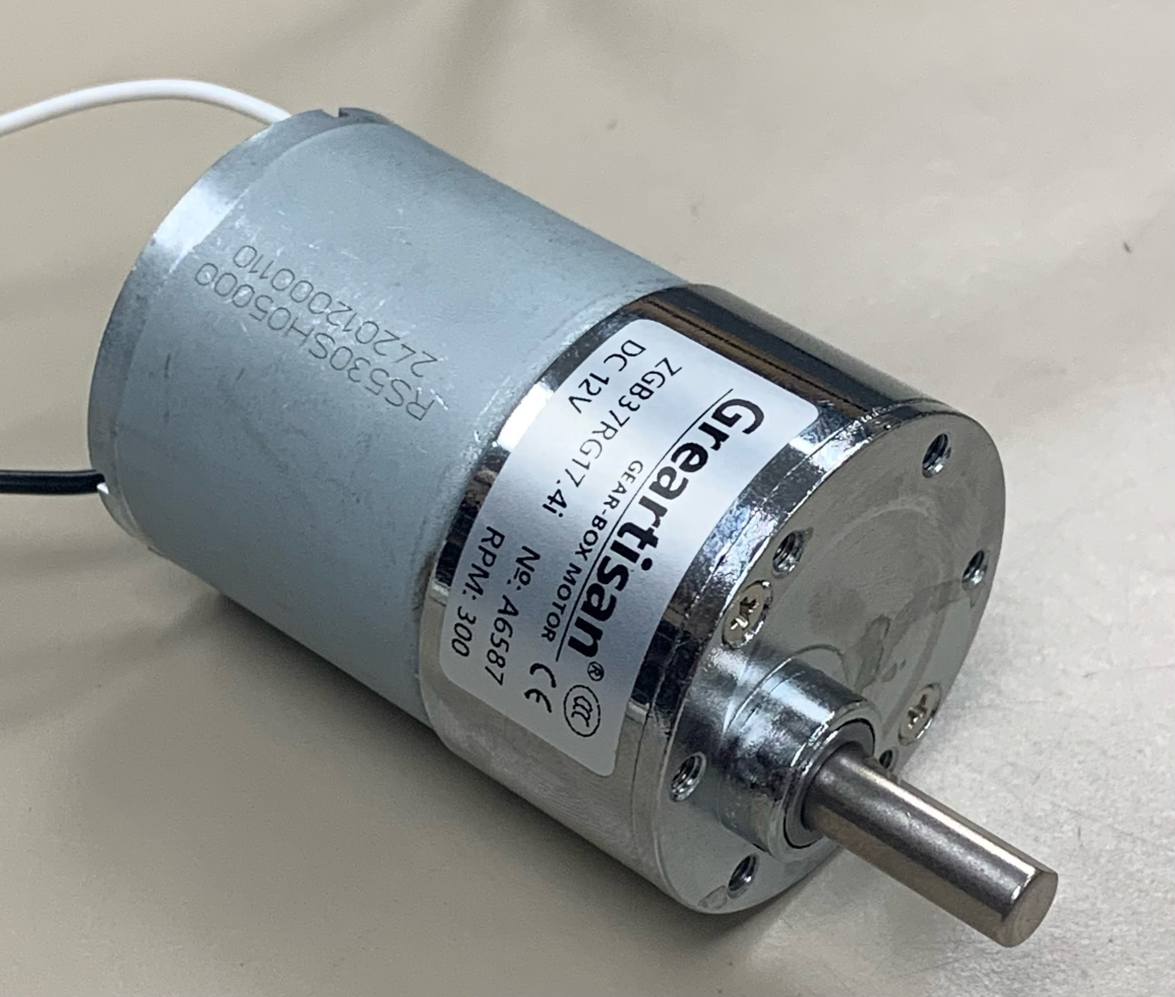 | 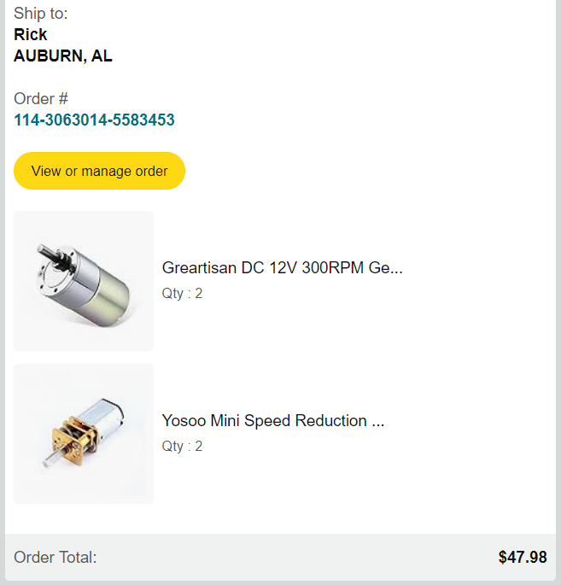 | 114-3063014-5583453 | 2x 12V DC Motor 2x 6V DC Motor | $47.98
 |  | 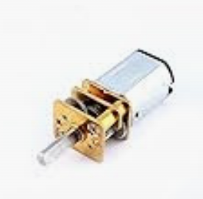
AA Batteries | An 8 pack of AA Duracell Batteries | N/A | 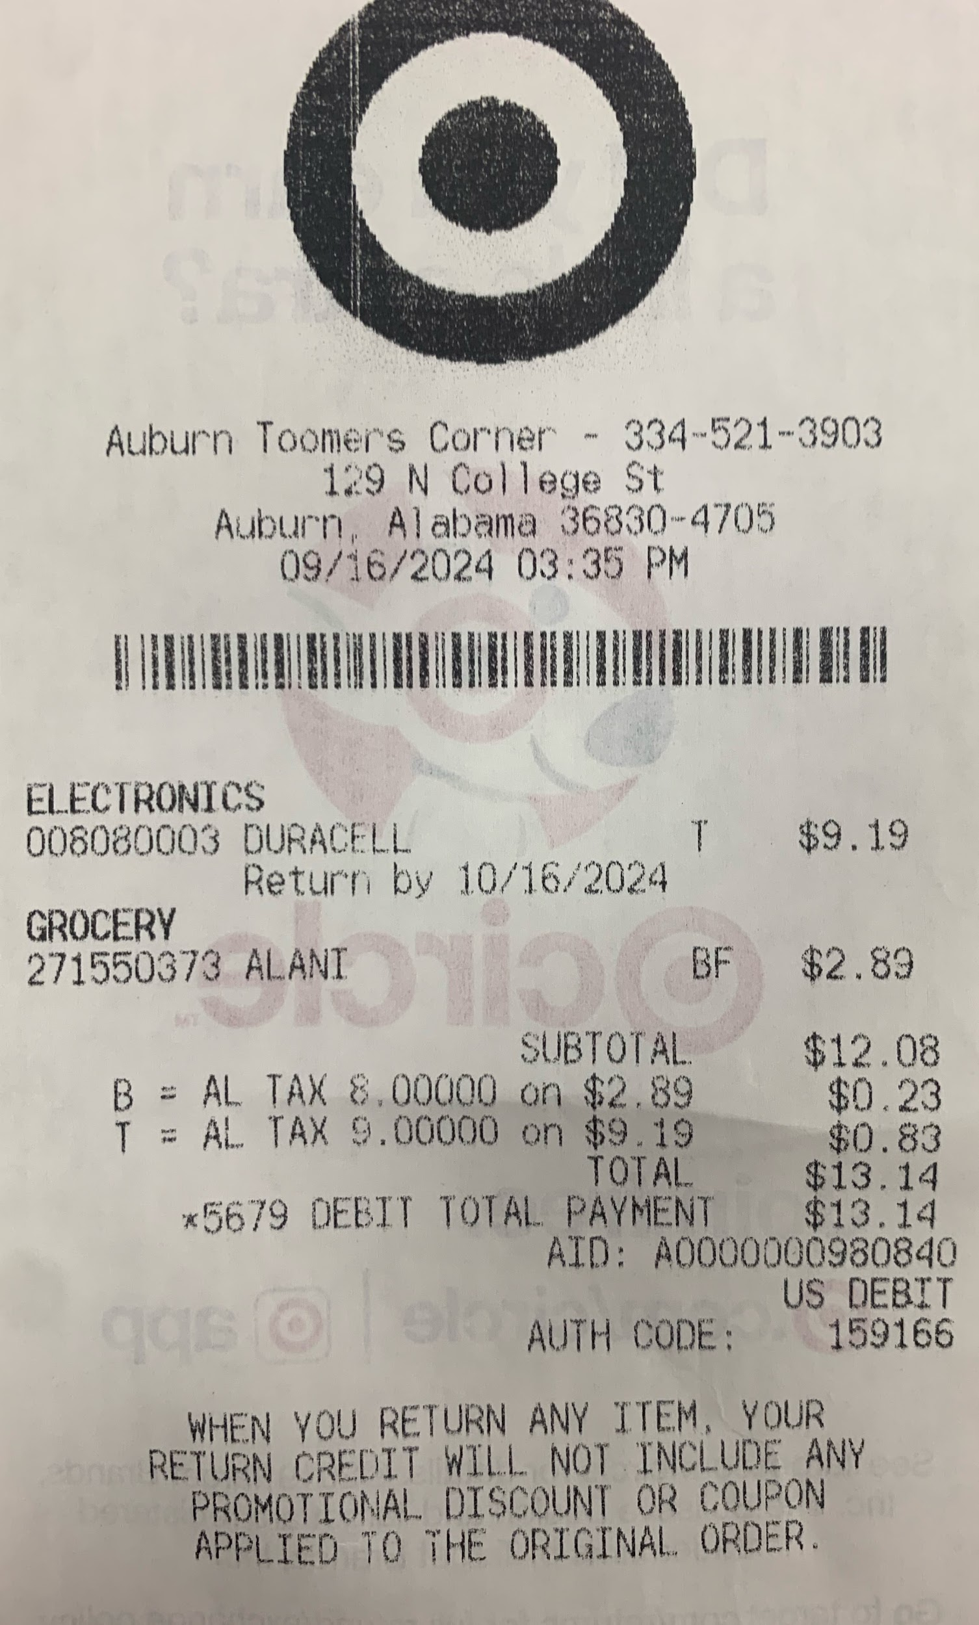 | N/A | 1 | $9.19
LCD Display | JANSANE 16x2 1602 LCD Display | 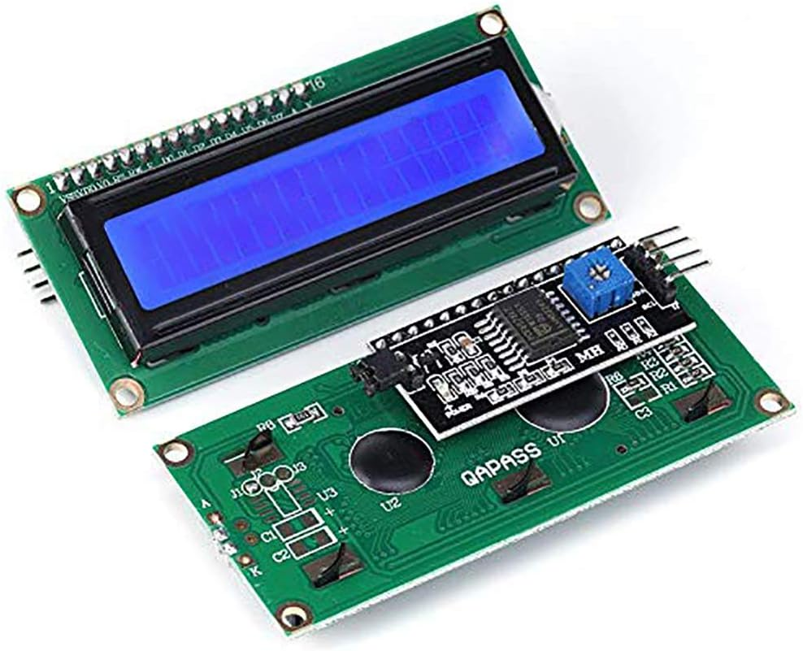 | 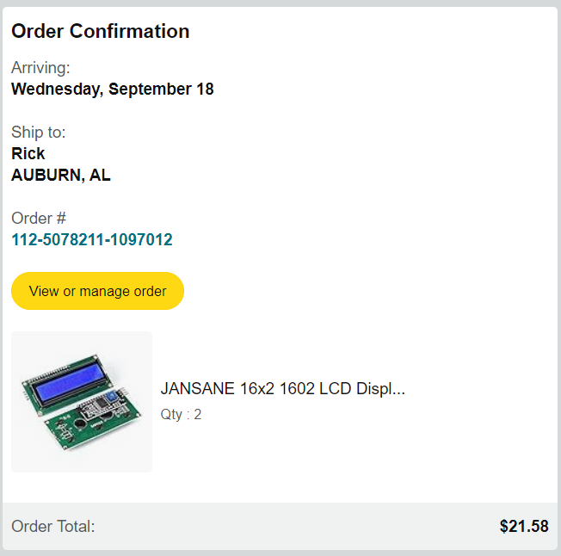 | 112-5078211-1097012 | 2 | $21.58
 |  |  |  |  | Total: | $399.31

